Script
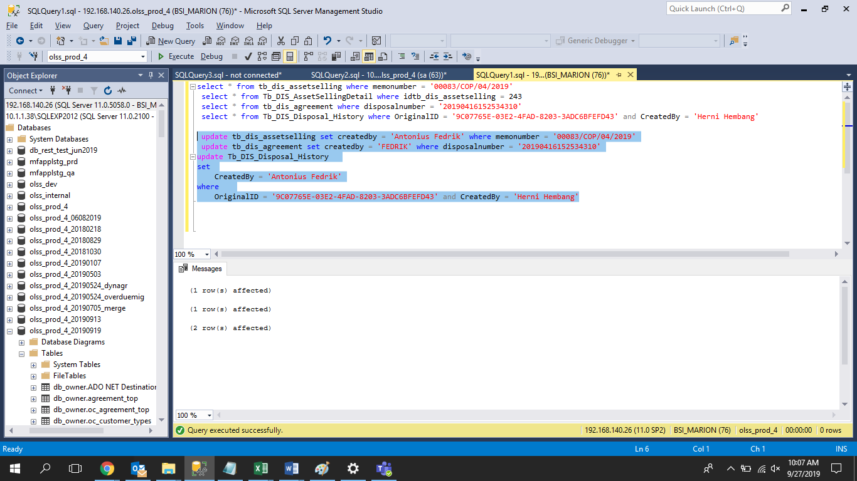
update tb_dis_assetselling set createdby = 'Antonius Fedrik' where memonumber = '00083/COP/04/2019'
update tb_dis_agreement set createdby = 'FEDRIK' where disposalnumber = '20190416152534310'
update Tb_DIS_Disposal_History
set
 | CreatedBy = 'Antonius Fedrik'
where
 | OriginalID = '9C07765E-03E2-4FAD-8203-3ADC6BFEFD43' and CreatedBy = 'Herni Hembang'

Screenshot
BEFORE
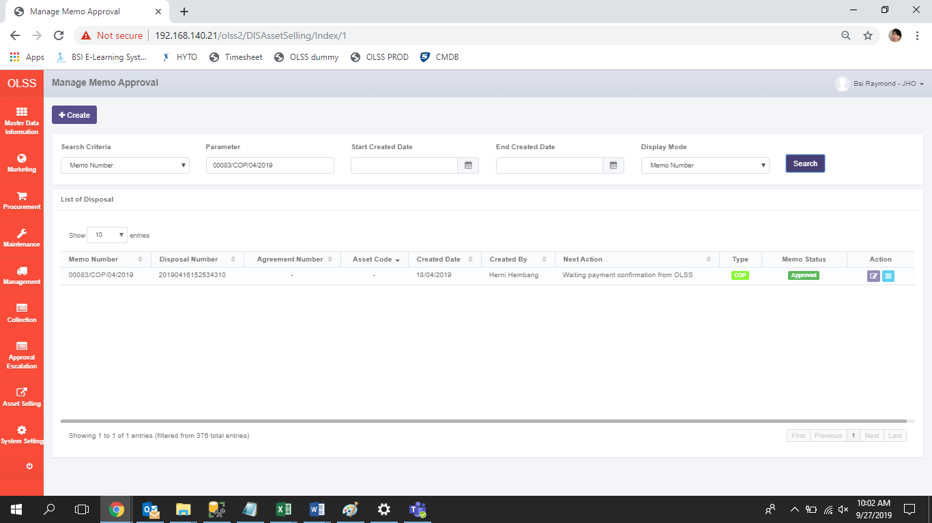

AFTER

